Economist Graphic - The Good Ch
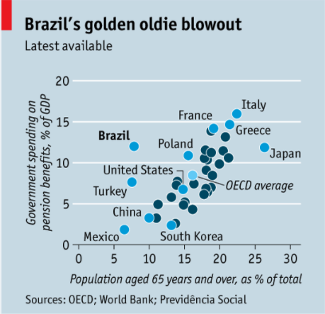
 |  | Your name | Trista Pierce

 |  | For this graphic, what do you see first? | A lot of blue, Poland, linear correlation

 |  | Make a note of the first idea that forms in your mind and then search for more. | What is an oldie blowout? I'm supposed to be focusing on Brazil, which wasn't apparent at first to me. What is OECD and why do we care about the average?
 |  |  | A deeper look allows me to see that Brazil spends a lot on pension benefits, when their population of 65+ is low. But I'm not sure why some of the supporting countries are light blue and labeled, but some are not.
 |  |  | Why is GDP used and not pension benefits/total government spending used?

 |  | Article: https://www.economist.com/the-americas/2017/02/25/reducing-brazils-pension-burden

 | What I like | What I dislike | What I wish I saw
 | The use of a scatter plot | Too much blue | Pension benefits as a function of all government spending
 | Y and X axis labels and scale | Number of countries labeled | Different color scheme
 |  | % of GDP | OECD average not displayed, or ONLY OCED countries displayed along with average

 | What are three things you'd change, and why?
 | I would change... | because....
 | Content- Change %GDP to % of government spending | I am worried this is an misleading portrayal of the data. The purpose of this visualization (I would guess) is to show how much government spending is on 65+ and that Brazil spends a lot with few individuals in that age bracket. However, it’s a function of GDP and GDPs by country are not compared.
 | Color and Title | First, the blue background is unnecessary and makes things cluttered. I would make it white and keep all the data points labeled the same color or group them in 2-3 colors by economic attributes (ie. high or low GDPs). Also, I would change the title to make more sense at first glance
 | Data Points | The article is in the Economist, and although it's audience might have a better understanding of the OECD than the average eye, I do not believe it is common knowledge. The countries included in OECD seem to be represented individually (i.e.. Poland, Greece, etc.) so I would not include the OECD average as well. Unless of course, that is the point to compare OECD averages to Brazil. Therefore, I would only use OECD countries.

References: | Berinato, S. (2016). Good charts: The HBR guide to making smarter, more persuasive data visualizations.

The Good Charts Matrix
Name of visualization | Design execution (-10 is poor, 10 is excellent) | Contextual awareness (-10 is low, 10 is high)
Economist | 3 | -8
 | Although the coloring and labeling is not the best, the overall use of a scatter plot makes it easy to see an outlier. Not bad, but also not great. | I believe the data itself is misleading and confusing and not portraying an accurate message.

Contextual awareness = what am I trying to say, to whom, and where?
Design execution = How well is this chart constructed?

The Good Charts Matrix

Reference: Berinato, S. (2016). Good charts: The HBR guide to making smarter, more persuasive data visualizations.

